Q1
95% C.I. of Proportion of Tax Underpaymemt
1.a. The proportion of Tax Underpayment is 0.5080
1.b. Margin of error for 95% C.I. of underpayment is 0.0098
1.c. Column Chart of proportion of Tax Underpayment with 95% C.I.
* I change the axis minimun so it is easier to visualize a comparison between lower limit and benchmark.
1.d. We cannot conclude with 95% C.I. that the proportion of Tax Underpayment is more than 50% since the lower limit is 0.4983 which is less than 0.5
95% Confidence Interval
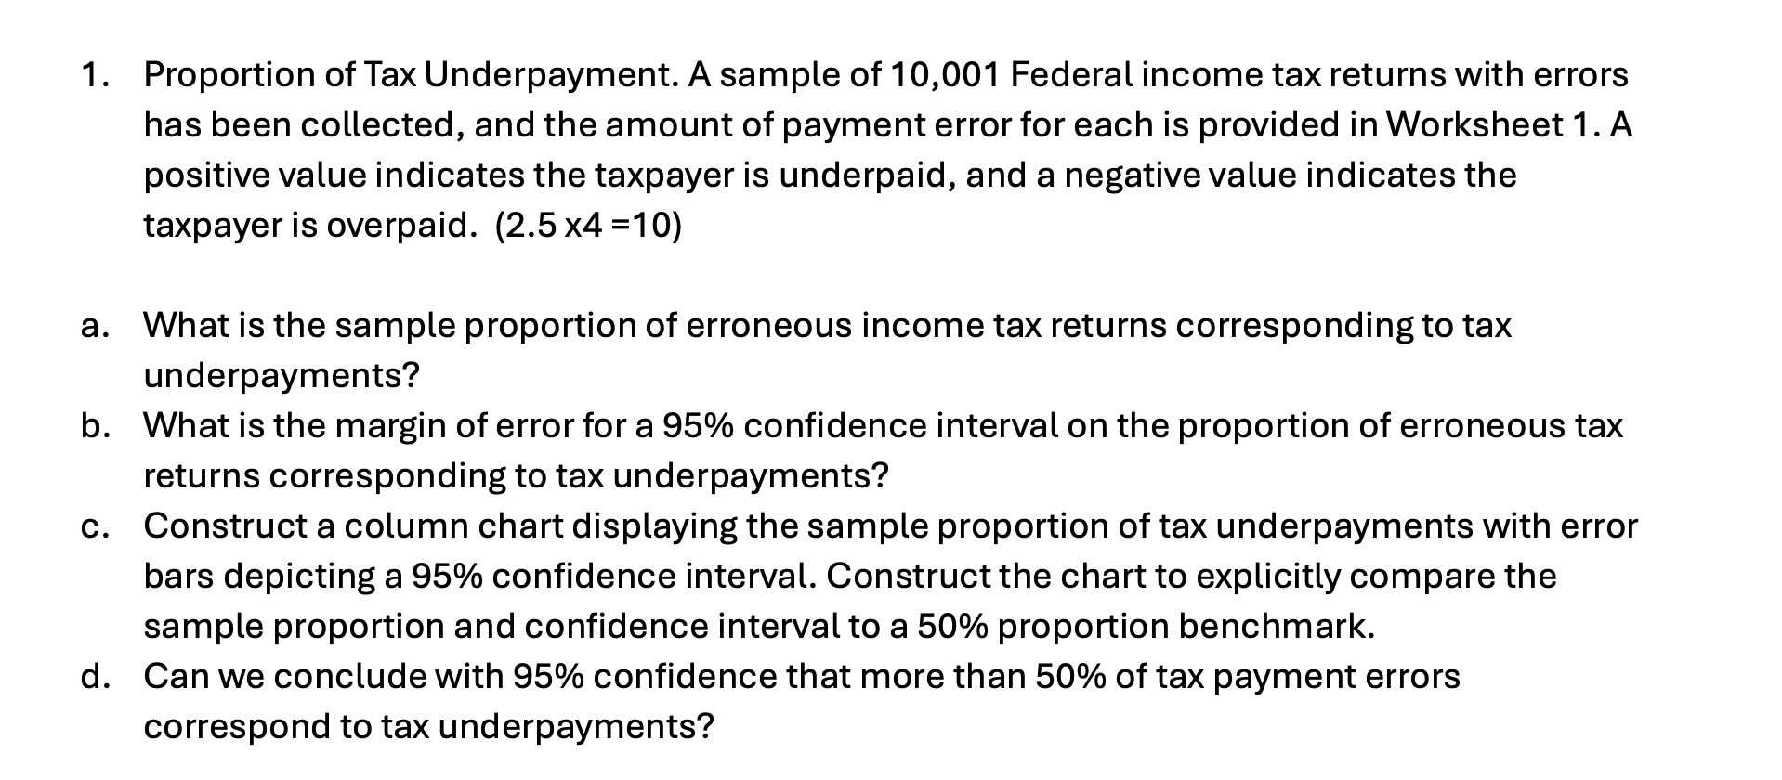
Tax Payment Error | Underpayment? |  | value
-810 | No | sample size | 10001
2701 | Yes | Underpayment | 5081
5299 | Yes | Proportion of Underpayment | 0.5080
3589 | Yes | Confident Interval level | 0.95
-6691 | No | Significant level | 0.05
-688 | No | z | 1.9600
-9000 | No | Standard Error | 0.0050
6708 | Yes | Margin of Error @ 95% C.I. | 0.0098
18491 | Yes | Upper Limit | 0.5178
12675 | Yes | Lower Limit | 0.4983
9440 | Yes
Benchmark
1275 | Yes
15215 | Yes
-3322 | No
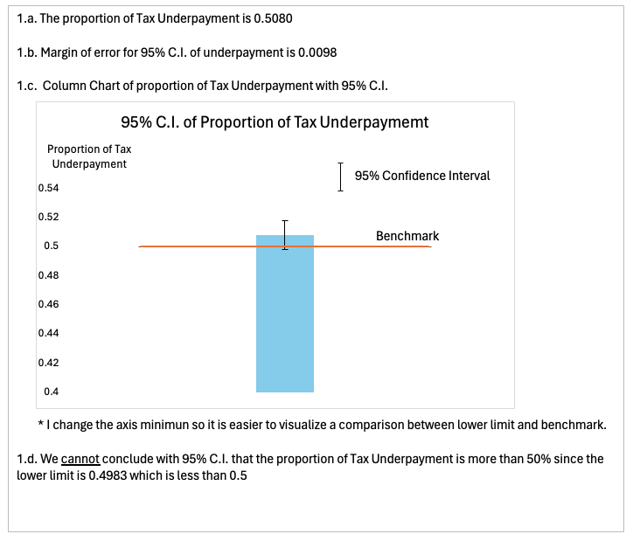
2264 | Yes
-6009 | No | Sample proportion | Benchmark | MoE
16244 | Yes | 0 | 0.5 | 0
-25268 | No | 0.5080 | 0.5 | 0.009798060098
15928 | Yes | 0 | 0.5 | 0
10219 | Yes
11086 | Yes
4704 | Yes
3502 | Yes
-13779 | No
18511 | Yes
20653 | Yes
7020 | Yes
7338 | Yes
21455 | Yes
7833 | Yes
2874 | Yes
-17370 | No
-12223 | No
2029 | Yes
-14492 | No
-6698 | No
3492 | Yes
14618 | Yes
4645 | Yes
21033 | Yes
12675 | Yes
8212 | Yes
-25012 | No
-9995 | No
12764 | Yes
-4171 | No
-13326 | No
11452 | Yes
-10514 | No
-7144 | No
-17086 | No
9842 | Yes
-12495 | No
1313 | Yes
23307 | Yes
-2540 | No
-5244 | No
10495 | Yes
-26692 | No
6152 | Yes
-6851 | No
-1347 | No
17578 | Yes
-9745 | No
13371 | Yes
4178 | Yes
19644 | Yes
650 | Yes
36733 | Yes
-6825 | No
27396 | Yes
-7588 | No
9677 | Yes
-25037 | No
15097 | Yes
13100 | Yes
-1073 | No
15572 | Yes
-4062 | No
-10208 | No
1325 | Yes
14304 | Yes
19472 | Yes
3053 | Yes
-14127 | No
-6539 | No
19158 | Yes
5425 | Yes
17777 | Yes
-851 | No
11717 | Yes
2177 | Yes
7388 | Yes
-8418 | No
-3453 | No
-2780 | No
25507 | Yes
-11443 | No
-5848 | No
13785 | Yes
-18846 | No
-4258 | No
7424 | Yes
5493 | Yes
-5930 | No
-2410 | No
3956 | Yes
-22654 | No
-13290 | No
13158 | Yes
-16564 | No
-6798 | No
-14613 | No
13316 | Yes
-8955 | No
4632 | Yes
7477 | Yes
-20783 | No
7343 | Yes
42349 | Yes
7430 | Yes
-8416 | No
-230 | No
7053 | Yes
-10652 | No
-5044 | No
-13022 | No
-17471 | No
16877 | Yes
-7895 | No
19902 | Yes
-8361 | No
-866 | No
-8021 | No
-10670 | No
-16541 | No
23195 | Yes
-6700 | No
-3236 | No
13882 | Yes
-8512 | No
19272 | Yes
-2178 | No
-6161 | No
14979 | Yes
-6098 | No
17377 | Yes
-30045 | No
9913 | Yes
13349 | Yes
-1249 | No
-17151 | No
15081 | Yes
-14746 | No
190 | Yes
-1746 | No
-9702 | No
-704 | No
-8660 | No
3857 | Yes
-4106 | No
17131 | Yes
-13077 | No
13086 | Yes
27906 | Yes
2303 | Yes
-5313 | No
6713 | Yes
2618 | Yes
10825 | Yes
14847 | Yes
3474 | Yes
-4331 | No
307 | Yes
-3451 | No
588 | Yes
2462 | Yes
1091 | Yes
12310 | Yes
17833 | Yes
-1223 | No
-5411 | No
-12798 | No
-7373 | No
35 | Yes
13558 | Yes
-10570 | No
3702 | Yes
3655 | Yes
7351 | Yes
-24288 | No
20381 | Yes
14004 | Yes
-15245 | No
18910 | Yes
-2391 | No
-3259 | No
4287 | Yes
-2593 | No
1287 | Yes
-10620 | No
-14266 | No
-20099 | No
-3786 | No
-3448 | No
25132 | Yes
27330 | Yes
-3684 | No
670 | Yes
6928 | Yes
-4223 | No
-6145 | No
13447 | Yes
-1851 | No
15575 | Yes
19858 | Yes
-102 | No
16479 | Yes
-23762 | No
-13698 | No
-5119 | No
-5595 | No
-10873 | No
15209 | Yes
18457 | Yes
7135 | Yes
-9909 | No
2466 | Yes
-827 | No
-5656 | No
-13362 | No
2170 | Yes
-9299 | No
6006 | Yes
10106 | Yes
3809 | Yes
-1179 | No
3150 | Yes
-12198 | No
-1877 | No
-11910 | No
5534 | Yes
-16737 | No
26521 | Yes
5270 | Yes
-14245 | No
-1301 | No
12833 | Yes
21514 | Yes
-16687 | No
15486 | Yes
-6538 | No
20535 | Yes
5661 | Yes
4702 | Yes
-11493 | No
7396 | Yes
7547 | Yes
-8396 | No
12690 | Yes
12599 | Yes
-10874 | No
-29567 | No
15856 | Yes
-4156 | No
2553 | Yes
5778 | Yes
12117 | Yes
-6161 | No
7491 | Yes
4870 | Yes
-13336 | No
5891 | Yes
567 | Yes
10962 | Yes
-6138 | No
1003 | Yes
2822 | Yes
-4924 | No
-22842 | No
-727 | No
439 | Yes
23569 | Yes
11100 | Yes
-7054 | No
-14402 | No
-624 | No
4633 | Yes
2675 | Yes
-167 | No
11493 | Yes
-11095 | No
621 | Yes
8396 | Yes
-11842 | No
14897 | Yes
3918 | Yes
941 | Yes
10634 | Yes
8815 | Yes
-10850 | No
1202 | Yes
-12101 | No
-20194 | No
15484 | Yes
4411 | Yes
16627 | Yes
-18931 | No
-9381 | No
-7670 | No
7017 | Yes
-1131 | No
10585 | Yes
-4748 | No
-6077 | No
3992 | Yes
-6067 | No
-6922 | No
-28155 | No
-13404 | No
-18493 | No
8585 | Yes
-13946 | No
-20792 | No
7873 | Yes
-11303 | No
480 | Yes
-8204 | No
26291 | Yes
-6523 | No
-756 | No
-1276 | No
-26050 | No
-8023 | No
-5107 | No
-12989 | No
17552 | Yes
6511 | Yes
9251 | Yes
-6544 | No
-26247 | No
-16639 | No
7940 | Yes
15020 | Yes
13734 | Yes
5253 | Yes
5666 | Yes
853 | Yes
-13480 | No
4916 | Yes
-12313 | No
-29507 | No
-32479 | No
14309 | Yes
-16127 | No
11603 | Yes
-5130 | No
-6896 | No
-11814 | No
17796 | Yes
-20117 | No
9258 | Yes
17262 | Yes
-11542 | No
-13901 | No
11849 | Yes
18427 | Yes
26429 | Yes
-14599 | No
-1284 | No
-12080 | No
24489 | Yes
-7590 | No
-3005 | No
7449 | Yes
4952 | Yes
-19752 | No
-9239 | No
8726 | Yes
10217 | Yes
-7845 | No
-6216 | No
-8461 | No
-5997 | No
-713 | No
-2043 | No
-21901 | No
-27919 | No
2712 | Yes
-17671 | No
26836 | Yes
-758 | No
-12279 | No
-12647 | No
-6892 | No
5074 | Yes
9532 | Yes
-9741 | No
-3811 | No
-7320 | No
-12722 | No
4596 | Yes
15496 | Yes
3517 | Yes
8917 | Yes
5612 | Yes
-16223 | No
958 | Yes
21454 | Yes
24978 | Yes
-11342 | No
-15392 | No
-11072 | No
14286 | Yes
-5435 | No
7627 | Yes
-19451 | No
12705 | Yes
8900 | Yes
18782 | Yes
-9510 | No
13876 | Yes
9014 | Yes
8578 | Yes
-3392 | No
12404 | Yes
-20673 | No
-16181 | No
-18789 | No
1972 | Yes
10313 | Yes
-2067 | No
-11770 | No
5034 | Yes
-8434 | No
-15644 | No
12264 | Yes
10356 | Yes
-4497 | No
-1205 | No
-12189 | No
-4922 | No
13516 | Yes
18210 | Yes
-999 | No
11448 | Yes
-7826 | No
-17 | No
9681 | Yes
9037 | Yes
243 | Yes
-1268 | No
14931 | Yes
170 | Yes
-20042 | No
-5075 | No
12839 | Yes
6710 | Yes
-652 | No
2837 | Yes
281 | Yes
-13777 | No
-13064 | No
6934 | Yes
-12820 | No
-6415 | No
28227 | Yes
-9613 | No
21828 | Yes
-9156 | No
7423 | Yes
-12044 | No
8348 | Yes
11170 | Yes
-7316 | No
-11771 | No
1162 | Yes
25648 | Yes
4962 | Yes
4962 | Yes
-1708 | No
11162 | Yes
-5292 | No
6829 | Yes
-4873 | No
15844 | Yes
-8219 | No
14861 | Yes
-4866 | No
15668 | Yes
-13822 | No
-5027 | No
-2890 | No
17452 | Yes
-8426 | No
-18061 | No
18510 | Yes
8331 | Yes
13918 | Yes
13261 | Yes
-13379 | No
19959 | Yes
-2988 | No
6665 | Yes
-20717 | No
-7610 | No
3222 | Yes
14855 | Yes
-12326 | No
-8475 | No
-336 | No
16592 | Yes
-18530 | No
-4392 | No
-5898 | No
-18302 | No
-1322 | No
57 | Yes
-9004 | No
-29100 | No
8010 | Yes
-3305 | No
-1830 | No
13508 | Yes
2413 | Yes
-2775 | No
-1437 | No
2762 | Yes
-3251 | No
-8520 | No
-8819 | No
-8789 | No
777 | Yes
4622 | Yes
17219 | Yes
14372 | Yes
-3352 | No
-2701 | No
-7773 | No
28599 | Yes
-20518 | No
-19061 | No
25476 | Yes
-16992 | No
-1186 | No
-7765 | No
-274 | No
5468 | Yes
18326 | Yes
-2034 | No
-7095 | No
-10766 | No
-15008 | No
-6038 | No
24892 | Yes
1925 | Yes
11231 | Yes
26933 | Yes
-2377 | No
7737 | Yes
12518 | Yes
-4124 | No
-4277 | No
7954 | Yes
3316 | Yes
-8422 | No
5582 | Yes
-5022 | No
-14003 | No
-13901 | No
-12249 | No
6112 | Yes
-11404 | No
23686 | Yes
-20234 | No
19214 | Yes
4843 | Yes
3884 | Yes
-3774 | No
-899 | No
10227 | Yes
3704 | Yes
5633 | Yes
1897 | Yes
15704 | Yes
12449 | Yes
-22092 | No
7444 | Yes
3248 | Yes
-4709 | No
5849 | Yes
3025 | Yes
9023 | Yes
4919 | Yes
1576 | Yes
2471 | Yes
-4655 | No
-4856 | No
7352 | Yes
3760 | Yes
-1378 | No
-8399 | No
-5792 | No
2329 | Yes
20656 | Yes
3913 | Yes
420 | Yes
4266 | Yes
18211 | Yes
-3301 | No
-12919 | No
-5148 | No
2859 | Yes
-27238 | No
4768 | Yes
8195 | Yes
-13475 | No
10669 | Yes
-2918 | No
13206 | Yes
-1924 | No
-24176 | No
-21119 | No
24292 | Yes
-2457 | No
3282 | Yes
-2669 | No
6363 | Yes
6820 | Yes
-228 | No
7928 | Yes
3752 | Yes
-7647 | No
4810 | Yes
-9021 | No
-10007 | No
-9978 | No
14175 | Yes
696 | Yes
2781 | Yes
5494 | Yes
24969 | Yes
-7350 | No
-1210 | No
-14173 | No
2066 | Yes
7601 | Yes
2369 | Yes
15658 | Yes
11655 | Yes
4110 | Yes
-5482 | No
-3644 | No
1053 | Yes
-3611 | No
5822 | Yes
3658 | Yes
4998 | Yes
-10352 | No
12220 | Yes
-2005 | No
-7856 | No
9819 | Yes
19609 | Yes
-1671 | No
-5055 | No
-465 | No
8969 | Yes
13433 | Yes
6198 | Yes
-18086 | No
-23084 | No
-6370 | No
-4280 | No
16045 | Yes
-20120 | No
-1854 | No
19462 | Yes
3768 | Yes
4908 | Yes
1215 | Yes
880 | Yes
-13760 | No
2620 | Yes
19768 | Yes
10734 | Yes
-716 | No
4304 | Yes
7019 | Yes
-13352 | No
3723 | Yes
16653 | Yes
11983 | Yes
262 | Yes
8751 | Yes
6878 | Yes
6262 | Yes
13003 | Yes
-6585 | No
7353 | Yes
14722 | Yes
-8697 | No
28818 | Yes
1647 | Yes
-15712 | No
-15453 | No
52 | Yes
4767 | Yes
-681 | No
34158 | Yes
11556 | Yes
20484 | Yes
-968 | No
-969 | No
25455 | Yes
20085 | Yes
7496 | Yes
15283 | Yes
-1987 | No
4922 | Yes
14775 | Yes
-992 | No
17490 | Yes
11589 | Yes
-2762 | No
12535 | Yes
-12025 | No
12162 | Yes
-2064 | No
6808 | Yes
-8750 | No
-22012 | No
26032 | Yes
17533 | Yes
14857 | Yes
-8341 | No
17643 | Yes
-9379 | No
-8935 | No
5892 | Yes
-1655 | No
11678 | Yes
14357 | Yes
-1073 | No
-17550 | No
3242 | Yes
3874 | Yes
14072 | Yes
14521 | Yes
8639 | Yes
20621 | Yes
11573 | Yes
-2033 | No
18837 | Yes
9372 | Yes
3949 | Yes
13279 | Yes
3282 | Yes
-1870 | No
-3874 | No
-2734 | No
8612 | Yes
-1682 | No
-1287 | No
-18400 | No
-3158 | No
-2942 | No
11329 | Yes
6716 | Yes
6548 | Yes
807 | Yes
-5947 | No
-9973 | No
26265 | Yes
-4081 | No
11715 | Yes
17619 | Yes
-15967 | No
13659 | Yes
-8736 | No
11704 | Yes
-25093 | No
13062 | Yes
-9385 | No
5119 | Yes
-18227 | No
9210 | Yes
2945 | Yes
13692 | Yes
10209 | Yes
-12439 | No
8304 | Yes
-14240 | No
-3590 | No
6164 | Yes
-37957 | No
-16181 | No
-5353 | No
-19640 | No
16815 | Yes
-10640 | No
-3250 | No
-9519 | No
12437 | Yes
-11802 | No
-8892 | No
-6941 | No
-447 | No
-10704 | No
11832 | Yes
-1586 | No
4043 | Yes
26439 | Yes
-3244 | No
9358 | Yes
-5322 | No
-19609 | No
-11083 | No
-9102 | No
-3774 | No
-3128 | No
-621 | No
21430 | Yes
7946 | Yes
1689 | Yes
7974 | Yes
1397 | Yes
-4365 | No
22003 | Yes
34342 | Yes
-6865 | No
3446 | Yes
13392 | Yes
2674 | Yes
-6109 | No
9085 | Yes
-212 | No
28005 | Yes
-656 | No
-4848 | No
11578 | Yes
-9331 | No
4313 | Yes
19743 | Yes
-11990 | No
-6972 | No
-4637 | No
16651 | Yes
-6091 | No
13238 | Yes
-16279 | No
3475 | Yes
-15081 | No
-26239 | No
-11377 | No
12388 | Yes
338 | Yes
6090 | Yes
23672 | Yes
-11738 | No
-8328 | No
-12684 | No
-8846 | No
20954 | Yes
-17731 | No
-22149 | No
25084 | Yes
1387 | Yes
3153 | Yes
18304 | Yes
-9209 | No
-2730 | No
3042 | Yes
17854 | Yes
7441 | Yes
13411 | Yes
-1689 | No
-640 | No
-29925 | No
3399 | Yes
-9326 | No
-2021 | No
-7043 | No
-6040 | No
-13260 | No
-2998 | No
-2135 | No
4747 | Yes
-226 | No
-5577 | No
703 | Yes
1258 | Yes
732 | Yes
-17753 | No
-20133 | No
-13796 | No
13049 | Yes
5869 | Yes
13292 | Yes
16670 | Yes
-19167 | No
6109 | Yes
1151 | Yes
17335 | Yes
-5316 | No
18 | Yes
-6932 | No
12361 | Yes
13612 | Yes
4341 | Yes
-986 | No
-1126 | No
12129 | Yes
-15382 | No
15842 | Yes
6641 | Yes
-15635 | No
7650 | Yes
5133 | Yes
11522 | Yes
19205 | Yes
-1056 | No
-8653 | No
7476 | Yes
-1086 | No
37950 | Yes
2058 | Yes
-22901 | No
7910 | Yes
-11826 | No
-210 | No
-6970 | No
-12311 | No
1132 | Yes
2166 | Yes
9674 | Yes
14029 | Yes
1112 | Yes
-19216 | No
16507 | Yes
4869 | Yes
17577 | Yes
-10736 | No
20461 | Yes
-2688 | No
9907 | Yes
14716 | Yes
8961 | Yes
-312 | No
-1410 | No
-1384 | No
-9691 | No
-15409 | No
28985 | Yes
1605 | Yes
-17751 | No
4088 | Yes
1072 | Yes
-35754 | No
-8992 | No
12746 | Yes
848 | Yes
3210 | Yes
-20095 | No
-6861 | No
10146 | Yes
18853 | Yes
-4335 | No
-23414 | No
8331 | Yes
-16708 | No
-5237 | No
-13229 | No
15981 | Yes
9273 | Yes
23705 | Yes
1302 | Yes
6817 | Yes
-17523 | No
-6466 | No
-14411 | No
-10750 | No
7179 | Yes
-2989 | No
-14848 | No
5194 | Yes
-10630 | No
9051 | Yes
-8673 | No
4326 | Yes
10032 | Yes
25831 | Yes
-13468 | No
1250 | Yes
-7060 | No
14989 | Yes
-7919 | No
6975 | Yes
-3212 | No
-5179 | No
2018 | Yes
10 | Yes
3357 | Yes
16054 | Yes
8212 | Yes
1212 | Yes
15552 | Yes
6505 | Yes
7525 | Yes
4600 | Yes
-9488 | No
2978 | Yes
-7288 | No
-8663 | No
-12279 | No
4548 | Yes
-15918 | No
2024 | Yes
-9879 | No
11274 | Yes
19077 | Yes
-3097 | No
-3016 | No
-31004 | No
9720 | Yes
2222 | Yes
-19472 | No
-8198 | No
-9191 | No
15090 | Yes
12564 | Yes
-1195 | No
-15850 | No
4832 | Yes
-26990 | No
33194 | Yes
-9097 | No
-3838 | No
8460 | Yes
209 | Yes
9751 | Yes
15458 | Yes
12403 | Yes
13791 | Yes
1964 | Yes
1243 | Yes
15999 | Yes
-2876 | No
-3478 | No
-8785 | No
238 | Yes
-431 | No
15941 | Yes
-6538 | No
-2500 | No
114 | Yes
2067 | Yes
-1117 | No
14128 | Yes
11844 | Yes
-5964 | No
18634 | Yes
-14555 | No
-6997 | No
5851 | Yes
5221 | Yes
-7665 | No
16686 | Yes
-4914 | No
-1150 | No
2183 | Yes
6377 | Yes
-3440 | No
7885 | Yes
-13270 | No
5114 | Yes
9607 | Yes
11705 | Yes
-2468 | No
-31480 | No
196 | Yes
4184 | Yes
6424 | Yes
4556 | Yes
-3252 | No
-2240 | No
-771 | No
9461 | Yes
11551 | Yes
-24555 | No
5781 | Yes
-30906 | No
15195 | Yes
10268 | Yes
-1124 | No
17769 | Yes
10738 | Yes
13861 | Yes
-18574 | No
-1753 | No
-16315 | No
-12323 | No
-8433 | No
1119 | Yes
12896 | Yes
-61 | No
-758 | No
-21279 | No
11755 | Yes
-617 | No
-9708 | No
3528 | Yes
11246 | Yes
2767 | Yes
-5475 | No
-450 | No
-38720 | No
-23963 | No
-14212 | No
-4349 | No
-28688 | No
1159 | Yes
7884 | Yes
6280 | Yes
13153 | Yes
-3826 | No
14560 | Yes
-1046 | No
3005 | Yes
-17120 | No
-1743 | No
14592 | Yes
-15621 | No
13496 | Yes
-678 | No
-5120 | No
-11259 | No
243 | Yes
-21253 | No
-15981 | No
16774 | Yes
319 | Yes
15921 | Yes
2020 | Yes
-2481 | No
6231 | Yes
14024 | Yes
-3437 | No
119 | Yes
-1551 | No
-6391 | No
-13875 | No
-6157 | No
-15336 | No
2735 | Yes
9084 | Yes
-8950 | No
21752 | Yes
-22845 | No
3333 | Yes
6236 | Yes
-19761 | No
-9324 | No
9606 | Yes
11834 | Yes
10931 | Yes
1201 | Yes
-809 | No
-5072 | No
-14847 | No
1196 | Yes
-9269 | No
-9089 | No
-2322 | No
-6384 | No
-3835 | No
-7995 | No
-7448 | No
9926 | Yes
-9619 | No
-2472 | No
-629 | No
-10957 | No
-3493 | No
6553 | Yes
2341 | Yes
-1874 | No
-7850 | No
-7312 | No
162 | Yes
-10378 | No
-15814 | No
23840 | Yes
16392 | Yes
-418 | No
11032 | Yes
4177 | Yes
9296 | Yes
-15210 | No
5370 | Yes
-16467 | No
2778 | Yes
-3725 | No
8582 | Yes
12788 | Yes
-17571 | No
16952 | Yes
3575 | Yes
6019 | Yes
6923 | Yes
-8950 | No
5803 | Yes
1413 | Yes
-10405 | No
-4410 | No
-14663 | No
21475 | Yes
-11633 | No
-6299 | No
-6216 | No
-723 | No
-19868 | No
-11898 | No
-5261 | No
3849 | Yes
590 | Yes
-16830 | No
-15292 | No
-11131 | No
-11578 | No
15841 | Yes
6067 | Yes
-7931 | No
4839 | Yes
-11563 | No
-3005 | No
-3762 | No
-20804 | No
318 | Yes
-36893 | No
13981 | Yes
33423 | Yes
-37988 | No
3660 | Yes
-7571 | No
-124 | No
2585 | Yes
17348 | Yes
29 | Yes
-12717 | No
2683 | Yes
3554 | Yes
-12040 | No
5822 | Yes
22891 | Yes
17984 | Yes
-19578 | No
-4302 | No
-1124 | No
-13292 | No
7951 | Yes
-3190 | No
9760 | Yes
-1118 | No
-147 | No
6927 | Yes
2012 | Yes
-9896 | No
-11881 | No
5380 | Yes
16909 | Yes
3666 | Yes
13642 | Yes
7112 | Yes
-12755 | No
9650 | Yes
-3408 | No
193 | Yes
10534 | Yes
17874 | Yes
-11127 | No
15546 | Yes
-21155 | No
-3424 | No
9152 | Yes
7395 | Yes
5128 | Yes
2688 | Yes
23019 | Yes
8315 | Yes
-8197 | No
13671 | Yes
-25466 | No
6197 | Yes
23720 | Yes
19905 | Yes
6861 | Yes
23046 | Yes
13778 | Yes
-5248 | No
9356 | Yes
-453 | No
-12081 | No
8341 | Yes
17905 | Yes
8438 | Yes
-6044 | No
-12610 | No
18871 | Yes
10257 | Yes
16456 | Yes
-1562 | No
150 | Yes
-17614 | No
13037 | Yes
-11985 | No
-1783 | No
-2917 | No
-337 | No
-12664 | No
-10904 | No
-5656 | No
15975 | Yes
10590 | Yes
13826 | Yes
-9339 | No
14360 | Yes
-2064 | No
-18931 | No
3362 | Yes
-11394 | No
3334 | Yes
-12756 | No
8343 | Yes
-16713 | No
6050 | Yes
-6387 | No
-12295 | No
767 | Yes
-3618 | No
6994 | Yes
-10827 | No
-4674 | No
-7495 | No
9266 | Yes
10712 | Yes
11673 | Yes
-12812 | No
-6370 | No
-37086 | No
-9233 | No
11251 | Yes
18803 | Yes
-7750 | No
5349 | Yes
-3443 | No
-12825 | No
-1197 | No
-3488 | No
-18416 | No
3833 | Yes
8416 | Yes
-8393 | No
-6171 | No
-2502 | No
5528 | Yes
5230 | Yes
3647 | Yes
-844 | No
5053 | Yes
-30705 | No
-16174 | No
3810 | Yes
22677 | Yes
22274 | Yes
33891 | Yes
5904 | Yes
10510 | Yes
-9923 | No
-9490 | No
7499 | Yes
-8569 | No
-19580 | No
22640 | Yes
18346 | Yes
-656 | No
3072 | Yes
3090 | Yes
-6458 | No
-2133 | No
6556 | Yes
-2627 | No
-14679 | No
13141 | Yes
-1553 | No
-2606 | No
-13501 | No
-23499 | No
9043 | Yes
24749 | Yes
-2014 | No
298 | Yes
-21110 | No
-4477 | No
-13519 | No
23982 | Yes
243 | Yes
18791 | Yes
-14273 | No
-6611 | No
9462 | Yes
20229 | Yes
-11189 | No
6023 | Yes
8642 | Yes
1181 | Yes
-447 | No
12371 | Yes
-20399 | No
3946 | Yes
6499 | Yes
-7719 | No
15596 | Yes
6260 | Yes
9209 | Yes
2889 | Yes
-9833 | No
4082 | Yes
-5983 | No
6969 | Yes
-7241 | No
-9254 | No
5318 | Yes
-18893 | No
10772 | Yes
-3092 | No
5133 | Yes
-673 | No
-2620 | No
-17591 | No
3432 | Yes
2822 | Yes
8963 | Yes
-10740 | No
9916 | Yes
-2046 | No
-10054 | No
-42598 | No
-6965 | No
-21520 | No
-9738 | No
-19561 | No
31905 | Yes
13583 | Yes
20809 | Yes
8872 | Yes
-4049 | No
5613 | Yes
-4168 | No
-8763 | No
-25604 | No
3368 | Yes
-5453 | No
-3754 | No
-3845 | No
2535 | Yes
-2548 | No
6250 | Yes
-7987 | No
796 | Yes
3569 | Yes
-1682 | No
-3395 | No
-23680 | No
-1112 | No
8416 | Yes
-12179 | No
1004 | Yes
6972 | Yes
14996 | Yes
5104 | Yes
-4229 | No
-270 | No
-12091 | No
16498 | Yes
-11058 | No
13906 | Yes
-4275 | No
-10340 | No
-136 | No
-13577 | No
-2012 | No
-13275 | No
-3073 | No
-5850 | No
-9607 | No
-16342 | No
20388 | Yes
-1592 | No
25693 | Yes
5358 | Yes
16168 | Yes
-6379 | No
15209 | Yes
4956 | Yes
-2838 | No
30803 | Yes
-15783 | No
4983 | Yes
-7288 | No
2266 | Yes
9607 | Yes
724 | Yes
5574 | Yes
8005 | Yes
1785 | Yes
-2786 | No
18618 | Yes
-14021 | No
-18369 | No
-15839 | No
-3088 | No
14147 | Yes
-15859 | No
-766 | No
11499 | Yes
-19282 | No
11956 | Yes
24474 | Yes
3674 | Yes
-10935 | No
-15670 | No
-10494 | No
9928 | Yes
13407 | Yes
-8518 | No
15122 | Yes
14429 | Yes
-8449 | No
-602 | No
-3590 | No
-15203 | No
17256 | Yes
3085 | Yes
9074 | Yes
-1643 | No
12207 | Yes
20397 | Yes
12947 | Yes
-1639 | No
6303 | Yes
21204 | Yes
-5502 | No
-1365 | No
33142 | Yes
-6483 | No
-2037 | No
4109 | Yes
-6267 | No
621 | Yes
-9895 | No
5764 | Yes
1971 | Yes
-8486 | No
1286 | Yes
-8848 | No
-8843 | No
7767 | Yes
6808 | Yes
7615 | Yes
-24102 | No
-23693 | No
7133 | Yes
989 | Yes
6985 | Yes
109 | Yes
18656 | Yes
12650 | Yes
-8443 | No
7541 | Yes
-16744 | No
-633 | No
25341 | Yes
-55 | No
31520 | Yes
21297 | Yes
-3404 | No
-8973 | No
7313 | Yes
-1966 | No
137 | Yes
-4692 | No
-24272 | No
2489 | Yes
7328 | Yes
7119 | Yes
2607 | Yes
4084 | Yes
7437 | Yes
-28039 | No
-1849 | No
5098 | Yes
15869 | Yes
-1996 | No
1227 | Yes
-156 | No
13005 | Yes
-18606 | No
5942 | Yes
4118 | Yes
-1584 | No
-6619 | No
-1248 | No
21560 | Yes
-5884 | No
19608 | Yes
-9919 | No
-8532 | No
-21815 | No
3837 | Yes
-2966 | No
-16803 | No
5231 | Yes
12770 | Yes
10982 | Yes
14826 | Yes
-11693 | No
8933 | Yes
-11517 | No
18324 | Yes
-14861 | No
18326 | Yes
-2422 | No
18447 | Yes
4175 | Yes
-1516 | No
-10156 | No
-9783 | No
-16401 | No
-316 | No
-2963 | No
19951 | Yes
-12605 | No
-17188 | No
-19812 | No
1224 | Yes
-13818 | No
-3438 | No
-12767 | No
2302 | Yes
7114 | Yes
-9174 | No
-9391 | No
-12897 | No
10562 | Yes
-5810 | No
4775 | Yes
13626 | Yes
-1942 | No
9013 | Yes
-13763 | No
2196 | Yes
52 | Yes
15582 | Yes
93 | Yes
4602 | Yes
4625 | Yes
18423 | Yes
214 | Yes
-434 | No
3809 | Yes
10038 | Yes
-18897 | No
3822 | Yes
8299 | Yes
-21947 | No
5661 | Yes
7915 | Yes
14670 | Yes
8317 | Yes
6006 | Yes
17 | Yes
-8697 | No
-14367 | No
-3006 | No
-16948 | No
-29032 | No
7925 | Yes
7952 | Yes
6577 | Yes
-8017 | No
7803 | Yes
-17151 | No
-2860 | No
8266 | Yes
6461 | Yes
11555 | Yes
-3988 | No
-8345 | No
-2554 | No
8190 | Yes
12941 | Yes
13675 | Yes
16659 | Yes
6338 | Yes
-1570 | No
-5970 | No
-9831 | No
-11898 | No
-9578 | No
-11442 | No
2416 | Yes
-4648 | No
2256 | Yes
-7658 | No
-10532 | No
4802 | Yes
13807 | Yes
13322 | Yes
1140 | Yes
-8133 | No
22865 | Yes
-322 | No
-758 | No
-14464 | No
12213 | Yes
9484 | Yes
-6990 | No
-1912 | No
8797 | Yes
-17060 | No
9731 | Yes
4108 | Yes
-22238 | No
3512 | Yes
4921 | Yes
24869 | Yes
-17419 | No
7575 | Yes
8554 | Yes
15733 | Yes
-3106 | No
-20306 | No
-13341 | No
432 | Yes
7049 | Yes
-3918 | No
-21539 | No
11997 | Yes
14656 | Yes
-21864 | No
11020 | Yes
-8025 | No
6039 | Yes
-1963 | No
13759 | Yes
-8964 | No
2191 | Yes
-18150 | No
-4435 | No
4222 | Yes
-14046 | No
1389 | Yes
25225 | Yes
35810 | Yes
-12319 | No
2892 | Yes
-11403 | No
5744 | Yes
24271 | Yes
2066 | Yes
-16467 | No
12755 | Yes
-4849 | No
23514 | Yes
19726 | Yes
-5404 | No
-11743 | No
-300 | No
-23297 | No
14942 | Yes
-19520 | No
-15099 | No
7695 | Yes
13352 | Yes
-4372 | No
-5693 | No
-10616 | No
-24433 | No
5767 | Yes
-2942 | No
-7738 | No
-39360 | No
6921 | Yes
-7087 | No
-1639 | No
6697 | Yes
-9436 | No
-1322 | No
-952 | No
-3954 | No
7677 | Yes
-15586 | No
8836 | Yes
-14895 | No
-3237 | No
-9414 | No
10099 | Yes
3964 | Yes
-10738 | No
8950 | Yes
494 | Yes
17734 | Yes
17326 | Yes
-7234 | No
-593 | No
-22326 | No
20751 | Yes
-983 | No
137 | Yes
-17199 | No
-869 | No
-16944 | No
12200 | Yes
14784 | Yes
-6422 | No
4192 | Yes
-17685 | No
2425 | Yes
-2211 | No
-20600 | No
9748 | Yes
15277 | Yes
5055 | Yes
-11121 | No
7895 | Yes
23994 | Yes
-1997 | No
-11398 | No
-9516 | No
-20873 | No
-8836 | No
2321 | Yes
20294 | Yes
-8243 | No
1059 | Yes
22836 | Yes
10500 | Yes
-3303 | No
-12457 | No
7962 | Yes
-11446 | No
-5952 | No
10651 | Yes
-630 | No
-1061 | No
-12564 | No
555 | Yes
-19509 | No
-17096 | No
1686 | Yes
3942 | Yes
12921 | Yes
-10035 | No
9629 | Yes
-1501 | No
-2741 | No
-6789 | No
11950 | Yes
-15363 | No
-16374 | No
-7413 | No
11282 | Yes
11326 | Yes
9301 | Yes
3170 | Yes
3476 | Yes
-3305 | No
-17065 | No
-2660 | No
-29528 | No
11242 | Yes
-23862 | No
7053 | Yes
-775 | No
15242 | Yes
-10585 | No
25494 | Yes
-6585 | No
17970 | Yes
10542 | Yes
276 | Yes
-13586 | No
2554 | Yes
15143 | Yes
-15225 | No
-24815 | No
-15631 | No
-1361 | No
21612 | Yes
-13083 | No
-8854 | No
-8529 | No
-141 | No
6548 | Yes
-3086 | No
2121 | Yes
874 | Yes
8804 | Yes
7955 | Yes
-2752 | No
-6029 | No
14503 | Yes
-2849 | No
-21206 | No
-11573 | No
8310 | Yes
-16476 | No
13345 | Yes
15441 | Yes
-18363 | No
13567 | Yes
-1897 | No
-7113 | No
-20474 | No
15330 | Yes
4719 | Yes
4180 | Yes
-15243 | No
859 | Yes
-6745 | No
1893 | Yes
-15050 | No
-5552 | No
11988 | Yes
12001 | Yes
-17887 | No
4658 | Yes
-14219 | No
-11118 | No
11240 | Yes
-10792 | No
16947 | Yes
-11051 | No
4189 | Yes
-16012 | No
1627 | Yes
4041 | Yes
-16861 | No
4698 | Yes
-6481 | No
7588 | Yes
39 | Yes
27283 | Yes
-2152 | No
8949 | Yes
-5903 | No
-1561 | No
-9710 | No
-8822 | No
5392 | Yes
-8437 | No
-28 | No
-9635 | No
2360 | Yes
16707 | Yes
9126 | Yes
-1410 | No
-1819 | No
11626 | Yes
3789 | Yes
10887 | Yes
-12861 | No
-1415 | No
10365 | Yes
7538 | Yes
10312 | Yes
-16167 | No
15084 | Yes
7929 | Yes
27502 | Yes
1812 | Yes
7612 | Yes
1941 | Yes
762 | Yes
-11561 | No
-1414 | No
-4069 | No
34351 | Yes
12092 | Yes
2023 | Yes
-5710 | No
-5741 | No
16022 | Yes
-17341 | No
2800 | Yes
2828 | Yes
16089 | Yes
-5244 | No
10615 | Yes
-29442 | No
-6195 | No
25903 | Yes
12181 | Yes
14602 | Yes
9490 | Yes
-10509 | No
6524 | Yes
-10883 | No
-3795 | No
-3567 | No
-11055 | No
435 | Yes
5760 | Yes
23473 | Yes
-12110 | No
3718 | Yes
4850 | Yes
10575 | Yes
2363 | Yes
5496 | Yes
3043 | Yes
9012 | Yes
10813 | Yes
15679 | Yes
-1030 | No
24331 | Yes
21532 | Yes
-5485 | No
-17312 | No
-7972 | No
-3420 | No
-16288 | No
5137 | Yes
12243 | Yes
-16599 | No
-5077 | No
-4217 | No
880 | Yes
-8147 | No
12333 | Yes
3464 | Yes
11084 | Yes
9150 | Yes
20298 | Yes
19938 | Yes
-17870 | No
-11084 | No
6960 | Yes
-1511 | No
-12031 | No
-2833 | No
4778 | Yes
1293 | Yes
-7148 | No
-13260 | No
-11661 | No
-1288 | No
3668 | Yes
-6087 | No
-10412 | No
-154 | No
24337 | Yes
-20627 | No
-5498 | No
-20978 | No
-16948 | No
-21267 | No
-4492 | No
3660 | Yes
-14557 | No
9040 | Yes
-11752 | No
18299 | Yes
8323 | Yes
-7080 | No
15709 | Yes
7457 | Yes
-10418 | No
13649 | Yes
2577 | Yes
2364 | Yes
8142 | Yes
6395 | Yes
-8366 | No
6568 | Yes
-6404 | No
-14880 | No
-2413 | No
3649 | Yes
-2496 | No
5311 | Yes
-7996 | No
-15893 | No
-5304 | No
-34033 | No
-18887 | No
6886 | Yes
9513 | Yes
-14971 | No
-4086 | No
-12988 | No
-16939 | No
-21952 | No
-11485 | No
-3765 | No
-13915 | No
-22814 | No
-10490 | No
9703 | Yes
-20157 | No
-10247 | No
-27839 | No
-17817 | No
16711 | Yes
17917 | Yes
12721 | Yes
12279 | Yes
5825 | Yes
-2712 | No
-7443 | No
-44 | No
-887 | No
9070 | Yes
3215 | Yes
-3814 | No
9259 | Yes
12907 | Yes
-13145 | No
18855 | Yes
6919 | Yes
3583 | Yes
6023 | Yes
19100 | Yes
-13030 | No
-3534 | No
18684 | Yes
4657 | Yes
-11238 | No
-2557 | No
13144 | Yes
19403 | Yes
-11075 | No
-21524 | No
-5402 | No
6187 | Yes
20974 | Yes
-4970 | No
-2694 | No
-9825 | No
-4437 | No
-10853 | No
16724 | Yes
17916 | Yes
12122 | Yes
1863 | Yes
9490 | Yes
7741 | Yes
7778 | Yes
9288 | Yes
-2946 | No
-13647 | No
837 | Yes
18831 | Yes
-4223 | No
-11351 | No
-7645 | No
11677 | Yes
-12505 | No
-5490 | No
-11289 | No
-8243 | No
-1490 | No
-16089 | No
4594 | Yes
-11239 | No
1045 | Yes
2363 | Yes
-11194 | No
6701 | Yes
-1313 | No
27855 | Yes
-3030 | No
2928 | Yes
15416 | Yes
16914 | Yes
11133 | Yes
-5638 | No
-8976 | No
12677 | Yes
-3418 | No
-11576 | No
-13957 | No
5365 | Yes
-7862 | No
-19374 | No
2056 | Yes
2800 | Yes
17164 | Yes
4964 | Yes
7733 | Yes
-3039 | No
21229 | Yes
-10170 | No
18608 | Yes
-17003 | No
4856 | Yes
-5493 | No
7367 | Yes
-6111 | No
-1476 | No
1004 | Yes
-4346 | No
6311 | Yes
-17407 | No
5781 | Yes
25701 | Yes
-14034 | No
-3126 | No
-6303 | No
1457 | Yes
10059 | Yes
11971 | Yes
-9146 | No
-2761 | No
18119 | Yes
-11301 | No
-268 | No
12045 | Yes
18597 | Yes
-16743 | No
-4730 | No
14154 | Yes
-403 | No
3589 | Yes
5358 | Yes
-9761 | No
-10779 | No
-7455 | No
-151 | No
-4034 | No
25198 | Yes
14023 | Yes
-19103 | No
12354 | Yes
-5403 | No
-2411 | No
-9534 | No
2275 | Yes
11765 | Yes
-3340 | No
-20774 | No
13376 | Yes
10827 | Yes
478 | Yes
-23112 | No
14854 | Yes
-3963 | No
3673 | Yes
-1920 | No
16610 | Yes
999 | Yes
-7122 | No
-5001 | No
-28923 | No
-2718 | No
-7081 | No
-12764 | No
-1031 | No
6736 | Yes
9416 | Yes
-25234 | No
-11276 | No
4848 | Yes
28429 | Yes
-13202 | No
-15764 | No
11576 | Yes
-6323 | No
18000 | Yes
-12729 | No
-4267 | No
-5573 | No
-5546 | No
8802 | Yes
-13000 | No
-23569 | No
-3592 | No
-19320 | No
18712 | Yes
7449 | Yes
-4864 | No
-2784 | No
10363 | Yes
-21206 | No
-10945 | No
10595 | Yes
9266 | Yes
-7055 | No
-17213 | No
-984 | No
3284 | Yes
674 | Yes
-3145 | No
23726 | Yes
13289 | Yes
-15301 | No
-11823 | No
-210 | No
-4651 | No
3596 | Yes
-1918 | No
-14245 | No
-22298 | No
-4275 | No
9325 | Yes
-24546 | No
1494 | Yes
9115 | Yes
-1597 | No
-13928 | No
-1114 | No
27165 | Yes
-1234 | No
4146 | Yes
-4082 | No
9313 | Yes
6571 | Yes
5219 | Yes
-15991 | No
3614 | Yes
-1178 | No
2439 | Yes
-134 | No
-8283 | No
-9694 | No
-2138 | No
-31750 | No
10879 | Yes
5082 | Yes
6163 | Yes
5964 | Yes
-14276 | No
-1982 | No
2901 | Yes
-12951 | No
22912 | Yes
-5142 | No
-3390 | No
-15382 | No
27006 | Yes
13068 | Yes
15624 | Yes
7438 | Yes
5215 | Yes
4556 | Yes
-8620 | No
-21949 | No
-6004 | No
7122 | Yes
18857 | Yes
10812 | Yes
2957 | Yes
-9086 | No
-5899 | No
-11816 | No
254 | Yes
2772 | Yes
24149 | Yes
-2128 | No
16012 | Yes
-3815 | No
-3807 | No
28966 | Yes
5392 | Yes
-8283 | No
19799 | Yes
3557 | Yes
-11145 | No
-432 | No
-12612 | No
7296 | Yes
3151 | Yes
-10808 | No
2680 | Yes
543 | Yes
12083 | Yes
-3600 | No
-18361 | No
3841 | Yes
-3969 | No
10607 | Yes
-3722 | No
-7 | No
-11783 | No
-12089 | No
17685 | Yes
24855 | Yes
26497 | Yes
29113 | Yes
-1211 | No
-13181 | No
-12145 | No
-19617 | No
-33143 | No
-2023 | No
5811 | Yes
-12471 | No
-608 | No
62 | Yes
2226 | Yes
-3110 | No
-5597 | No
10777 | Yes
14670 | Yes
3471 | Yes
12259 | Yes
565 | Yes
-8388 | No
10310 | Yes
-5709 | No
908 | Yes
-2055 | No
-21426 | No
-2446 | No
-422 | No
20865 | Yes
-6162 | No
-3040 | No
-20966 | No
4899 | Yes
1936 | Yes
-17778 | No
-6354 | No
-5307 | No
-9166 | No
-6037 | No
-9489 | No
-1653 | No
-12302 | No
21487 | Yes
-5707 | No
1520 | Yes
-15310 | No
30208 | Yes
-5578 | No
17879 | Yes
3249 | Yes
-1707 | No
6654 | Yes
4091 | Yes
10433 | Yes
8992 | Yes
-7576 | No
-3652 | No
7599 | Yes
-8689 | No
12430 | Yes
6285 | Yes
-17649 | No
11167 | Yes
10013 | Yes
-5931 | No
-6096 | No
300 | Yes
-1367 | No
20079 | Yes
3177 | Yes
9347 | Yes
-3993 | No
-13982 | No
-5322 | No
10454 | Yes
7008 | Yes
-24121 | No
1608 | Yes
3716 | Yes
5650 | Yes
13841 | Yes
-18245 | No
-22850 | No
43 | Yes
-3569 | No
21904 | Yes
-17672 | No
3794 | Yes
-7861 | No
14672 | Yes
-5808 | No
10725 | Yes
10682 | Yes
4848 | Yes
11384 | Yes
-14856 | No
2520 | Yes
2530 | Yes
-5218 | No
-9322 | No
8017 | Yes
-6277 | No
-5035 | No
-12104 | No
-8063 | No
10341 | Yes
9196 | Yes
-20537 | No
-13441 | No
5414 | Yes
2201 | Yes
7805 | Yes
-20184 | No
9525 | Yes
12614 | Yes
-4706 | No
9322 | Yes
-4840 | No
-11589 | No
13647 | Yes
-8396 | No
11878 | Yes
-1810 | No
24881 | Yes
-2088 | No
-16970 | No
-18089 | No
9584 | Yes
5568 | Yes
3077 | Yes
-13319 | No
-11028 | No
-6993 | No
7441 | Yes
-16963 | No
2809 | Yes
6218 | Yes
-26164 | No
-4565 | No
9464 | Yes
7612 | Yes
24221 | Yes
-1709 | No
-9176 | No
27252 | Yes
-241 | No
7308 | Yes
14890 | Yes
1627 | Yes
-17907 | No
-1662 | No
-5798 | No
2180 | Yes
40212 | Yes
5151 | Yes
7098 | Yes
7549 | Yes
19758 | Yes
2897 | Yes
143 | Yes
-3659 | No
-4761 | No
-9585 | No
-3338 | No
991 | Yes
9106 | Yes
-3961 | No
67 | Yes
-3429 | No
16698 | Yes
9547 | Yes
6136 | Yes
4417 | Yes
-16903 | No
9119 | Yes
7875 | Yes
353 | Yes
-460 | No
-13567 | No
343 | Yes
-2188 | No
-12721 | No
-11944 | No
-4833 | No
-3751 | No
6256 | Yes
-7783 | No
...

Q2
2.a Frequency distribution chart with a bin width = 10 and the first bin starting at 30 million
2.b. Histrogram of the total passengers
2.c. The most common passenger traffic range is 40-50 million passengers with 9 observations
2.d. The distribution of Total passengers is a strong right skew. The median is 44.5 million passengers which is around 16% less than the mean as 51.9 million passengers. Highest traffic is 104.2 million passengers in the other hand, the lowest is 34.4 million passengers creates a very wide range which equals to 74.2 million passengers.
Airport (Airport Code) | Total Passengers (Millions)
Boston Logan (BOS) | 36.30 | max | 104.2
Charlotte Douglas (CLT) | 44.40 | min | 34.4 | Row Labels | Count of Total Passengers (Millions)
Chicago O'Hare (ORD) | 78.00 | range | 74.2 | 30-40 | 4
Dallas/Ft. Worth (DFW) | 65.70 | bin width | 10 | 40-50 | 9
Denver (DEN) | 58.30 |  |  | 50-60 | 3
Detroit Metropolitan (DTW) | 34.40 | mean | 51.885 | 60-70 | 1
Hartsfield-Jackson Atlanta (ATL) | 104.20 | median | 44.5 | 70-80 | 1
Houston George Bush (IAH) | 41.60 |  |  | 80-90 | 1
Las Vegas McCarran (LAS) | 47.50 |  |  | 100-110 | 1
Los Angeles (LAX) | 80.90 |  |  | Grand Total | 20
Miami (MIA) | 44.60
Distribution of Total Passengers
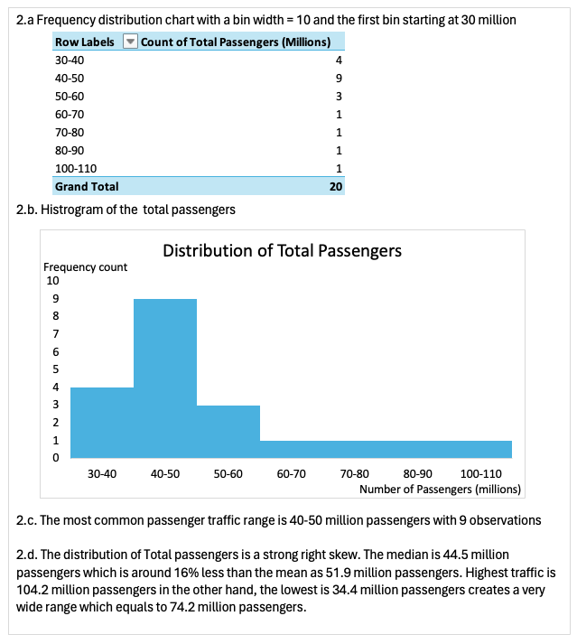
Minneapolis/St. Paul (MSP) | 37.40
New York John F. Kennedy (JFK) | 59.10
Newark Liberty (EWR) | 40.60
Orlando (MCO) | 41.90
Philadelphia (PHL) | 36.40
Phoenix Sky Harbor (PHX) | 43.30
San Francisco (SFO) | 53.10
Seattle-Tacoma (SEA) | 45.70
Toronto Pearson (YYZ) | 44.30

Q3
Relative Frequency deistributiion of First digit of the Expense Reported
Compare relative distribution between Benford's law and First digit of Expense reported
3.a. Create relative frequency distribution of the expense
3.b. Compare the distribution in 3.a. with Benford's law
As you can see in the picture below, the distribution creates from the expense reported is way off compare to the Benford's law. Especially the first five number, 1 - 5, which are almost 2 times more or less than the law. For '1', the frequency suggests by the law is around 0.3 which is way below compare to what we can calculated from the report, 0.563. We can see the same pattern across the Number '2 - 5' that is the calculated relative frequency is way lower than the Benford's law. Relative frequency of Number '2' is almost 3 times lower than the law, Number '3-5' is about 2 times less. Moreover, something might be wrong regarding to Number '7' and Number '9' also. In conclusion, the company should carefully investigate the travel expenses report since there are potentially frauds.
Reported Expenses ($) | first digit
34 | 3 | number | frequency | Expense Reported
1325 | 1 | 1 | 268 | 0.5360
1278 | 1 | 2 | 30 | 0.0600
1488 | 1 | 3 | 30 | 0.0600
375 | 3 | 4 | 26 | 0.0520
1747 | 1 | 5 | 18 | 0.0360
77 | 7 | 6 | 30 | 0.0600
1473 | 1 | 7 | 39 | 0.0780
1266 | 1 | 8 | 28 | 0.0560
1169 | 1 | 9 | 31 | 0.0620
1649 | 1 |  | 500 | 1
1707 | 1
908 | 9
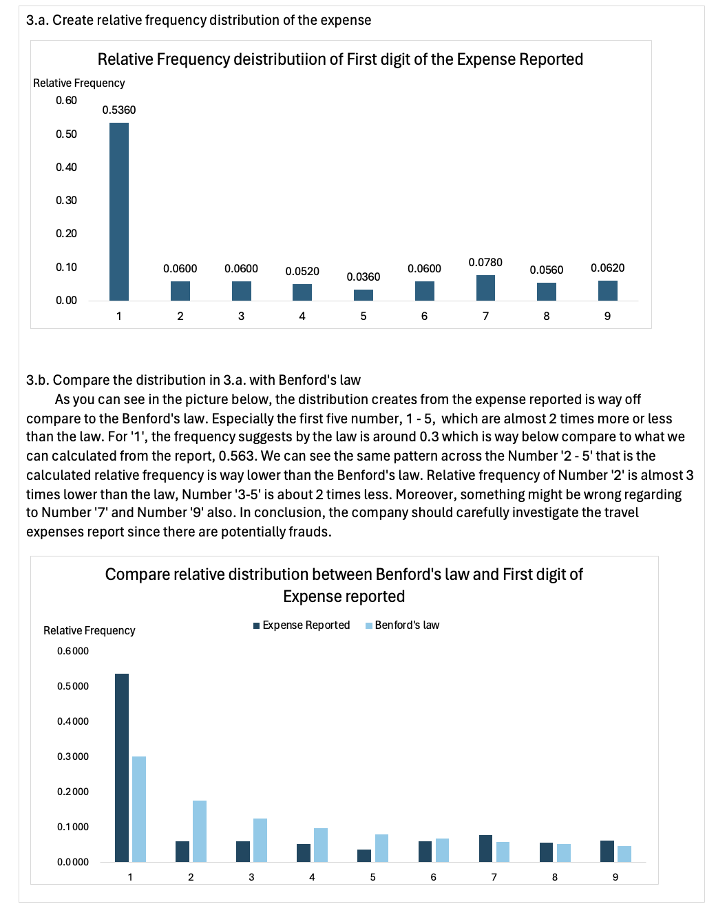
1122 | 1
1044 | 1
518 | 5 | number | Benford's law
227 | 2 | 1 | 0.3010
1718 | 1 | 2 | 0.1761
1106 | 1 | 3 | 0.1249
1993 | 1 | 4 | 0.0969
154 | 1 | 5 | 0.0792
499 | 4 | 6 | 0.0669
1207 | 1 | 7 | 0.0580
1171 | 1 | 8 | 0.0512
1602 | 1 | 9 | 0.0458
853 | 8 |  | 1.0000
581 | 5
984 | 9
369 | 3
162 | 1
1823 | 1
608 | 6
1149 | 1
106 | 1
901 | 9
442 | 4
987 | 9
1090 | 1
1396 | 1
992 | 9
1302 | 1
1080 | 1
2 | 2
138 | 1
168 | 1
1070 | 1
1970 | 1
628 | 6
233 | 2
415 | 4
731 | 7
1459 | 1
1242 | 1
804 | 8
1085 | 1
760 | 7
165 | 1
1709 | 1
724 | 7
1872 | 1
1844 | 1
1427 | 1
325 | 3
1844 | 1
676 | 6
525 | 5
331 | 3
738 | 7
824 | 8
177 | 1
30 | 3
1245 | 1
880 | 8
387 | 3
107 | 1
1058 | 1
480 | 4
1149 | 1
918 | 9
1367 | 1
710 | 7
723 | 7
1367 | 1
1297 | 1
1700 | 1
1881 | 1
868 | 8
537 | 5
1986 | 1
145 | 1
225 | 2
1763 | 1
1897 | 1
1345 | 1
388 | 3
1595 | 1
1360 | 1
1590 | 1
182 | 1
395 | 3
1868 | 1
783 | 7
1176 | 1
701 | 7
744 | 7
1040 | 1
511 | 5
778 | 7
1312 | 1
504 | 5
816 | 8
295 | 2
135 | 1
144 | 1
1472 | 1
1994 | 1
689 | 6
399 | 3
1757 | 1
1683 | 1
551 | 5
70 | 7
1926 | 1
1750 | 1
1682 | 1
836 | 8
1550 | 1
1097 | 1
1793 | 1
1086 | 1
1407 | 1
421 | 4
351 | 3
1356 | 1
737 | 7
1414 | 1
244 | 2
1012 | 1
1303 | 1
982 | 9
1634 | 1
1602 | 1
1952 | 1
490 | 4
1757 | 1
1652 | 1
417 | 4
1370 | 1
1938 | 1
416 | 4
815 | 8
1711 | 1
1836 | 1
227 | 2
1901 | 1
503 | 5
1875 | 1
433 | 4
51 | 5
1192 | 1
1524 | 1
1774 | 1
406 | 4
1316 | 1
587 | 5
748 | 7
1754 | 1
274 | 2
311 | 3
1538 | 1
330 | 3
1878 | 1
1907 | 1
716 | 7
1311 | 1
1417 | 1
1450 | 1
174 | 1
1200 | 1
93 | 9
636 | 6
1751 | 1
816 | 8
1350 | 1
1269 | 1
1724 | 1
1402 | 1
1838 | 1
680 | 6
7 | 7
1915 | 1
1807 | 1
1871 | 1
825 | 8
759 | 7
58 | 5
1661 | 1
714 | 7
1938 | 1
1775 | 1
1804 | 1
642 | 6
860 | 8
809 | 8
1005 | 1
1013 | 1
483 | 4
1445 | 1
306 | 3
298 | 2
997 | 9
771 | 7
753 | 7
1283 | 1
753 | 7
180 | 1
1424 | 1
715 | 7
1825 | 1
1638 | 1
138 | 1
746 | 7
266 | 2
417 | 4
30 | 3
580 | 5
1779 | 1
693 | 6
676 | 6
1300 | 1
1716 | 1
1934 | 1
1577 | 1
140 | 1
770 | 7
1681 | 1
272 | 2
155 | 1
1943 | 1
385 | 3
26 | 2
1363 | 1
717 | 7
1560 | 1
1517 | 1
1500 | 1
919 | 9
197 | 1
1795 | 1
1079 | 1
165 | 1
64 | 6
662 | 6
81 | 8
452 | 4
1829 | 1
342 | 3
233 | 2
674 | 6
1589 | 1
626 | 6
1546 | 1
801 | 8
460 | 4
1496 | 1
218 | 2
1380 | 1
898 | 8
1184 | 1
87 | 8
1787 | 1
1911 | 1
820 | 8
393 | 3
833 | 8
967 | 9
1399 | 1
1111 | 1
48 | 4
1694 | 1
968 | 9
743 | 7
1742 | 1
433 | 4
477 | 4
259 | 2
411 | 4
1382 | 1
676 | 6
1084 | 1
247 | 2
1349 | 1
14 | 1
1721 | 1
1647 | 1
1147 | 1
203 | 2
732 | 7
303 | 3
699 | 6
901 | 9
992 | 9
1509 | 1
62 | 6
1890 | 1
125 | 1
1893 | 1
672 | 6
611 | 6
514 | 5
81 | 8
1522 | 1
54 | 5
72 | 7
1556 | 1
1416 | 1
1159 | 1
769 | 7
149 | 1
1356 | 1
1739 | 1
1418 | 1
1294 | 1
256 | 2
863 | 8
833 | 8
1261 | 1
1783 | 1
1473 | 1
1111 | 1
1642 | 1
1046 | 1
1386 | 1
769 | 7
678 | 6
404 | 4
480 | 4
227 | 2
1543 | 1
1409 | 1
964 | 9
1792 | 1
1485 | 1
1962 | 1
1158 | 1
1701 | 1
1001 | 1
140 | 1
637 | 6
1278 | 1
774 | 7
988 | 9
259 | 2
1871 | 1
1679 | 1
311 | 3
199 | 1
909 | 9
1817 | 1
785 | 7
698 | 6
1296 | 1
516 | 5
1658 | 1
91 | 9
1924 | 1
1271 | 1
94 | 9
1717 | 1
1732 | 1
1943 | 1
207 | 2
646 | 6
1242 | 1
205 | 2
691 | 6
1242 | 1
662 | 6
344 | 3
287 | 2
1654 | 1
616 | 6
148 | 1
1516 | 1
1467 | 1
373 | 3
607 | 6
722 | 7
113 | 1
1595 | 1
168 | 1
809 | 8
165 | 1
1633 | 1
1762 | 1
1875 | 1
1848 | 1
98 | 9
135 | 1
1178 | 1
962 | 9
487 | 4
987 | 9
1073 | 1
1454 | 1
961 | 9
349 | 3
251 | 2
566 | 5
1943 | 1
1350 | 1
1867 | 1
1562 | 1
757 | 7
583 | 5
1669 | 1
1379 | 1
414 | 4
1030 | 1
835 | 8
792 | 7
1519 | 1
519 | 5
1978 | 1
1663 | 1
306 | 3
1331 | 1
1968 | 1
159 | 1
875 | 8
998 | 9
650 | 6
919 | 9
1315 | 1
912 | 9
65 | 6
1167 | 1
1328 | 1
297 | 2
658 | 6
1704 | 1
1022 | 1
355 | 3
185 | 1
1238 | 1
1987 | 1
1930 | 1
1441 | 1
1281 | 1
446 | 4
1679 | 1
865 | 8
411 | 4
476 | 4
1813 | 1
249 | 2
1672 | 1
1591 | 1
1696 | 1
492 | 4
668 | 6
1399 | 1
282 | 2
1712 | 1
1928 | 1
33 | 3
1824 | 1
399 | 3
315 | 3
160 | 1
953 | 9
1915 | 1
1987 | 1
1169 | 1
944 | 9
1957 | 1
16 | 1
1164 | 1
1015 | 1
1246 | 1
749 | 7
814 | 8
716 | 7
946 | 9
380 | 3
843 | 8
207 | 2
305 | 3
91 | 9
820 | 8
751 | 7
126 | 1
1694 | 1
1279 | 1
20 | 2
290 | 2
755 | 7
1495 | 1
1617 | 1
953 | 9

Q4
4.a. Create a frequency distribution of the website data with relative frequency and the percentage frequency
4.b. Create a column chart to visualize the frequency distribution
4.c. Which is the most favorite website? which is a second?
Based on 50 observations, the most favorite website is 'www.google.com' with 28% of voting (14 votes). The second place is 'www.yahoo.com' with only tiny bit behind at 26% of voting (13 votes).
Website
YAH
YT | Website | Count | relative frequency | %frequency
WIKI | GOOG | 14 | 0.28 | 28%
YAH | YAH | 13 | 0.26 | 26%
GOOG | WIKI | 9 | 0.18 | 18%
GOOG | FB | 7 | 0.14 | 14%
FB | YT | 7 | 0.14 | 14%
YT |  | 50 | 1 | 100%
WIKI
YAH
Most-visited English-language Websites
WIKI
YAH
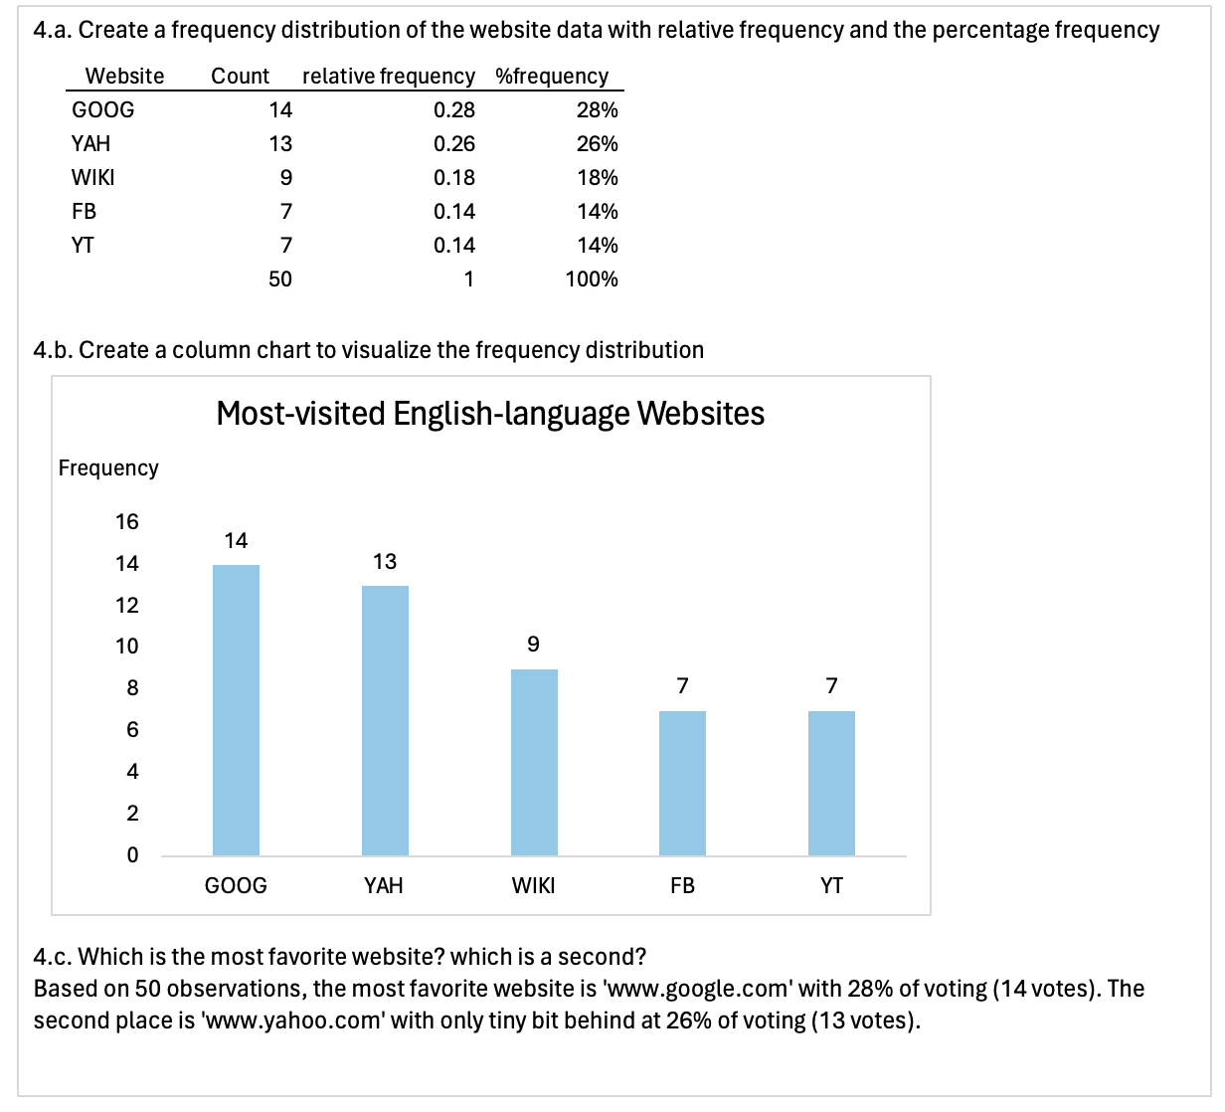
GOOG
YT
FB
GOOG
YAH
GOOG
GOOG
YT
YT
GOOG
YAH
GOOG
FB
FB
YT
YAH
YAH
GOOG
WIKI
GOOG
YAH
YT
WIKI
FB
YAH
FB
WIKI
GOOG
GOOG
GOOG
YAH
YAH
GOOG
WIKI
YAH
FB
WIKI
WIKI

Q5

Main data | Answer_5.a.

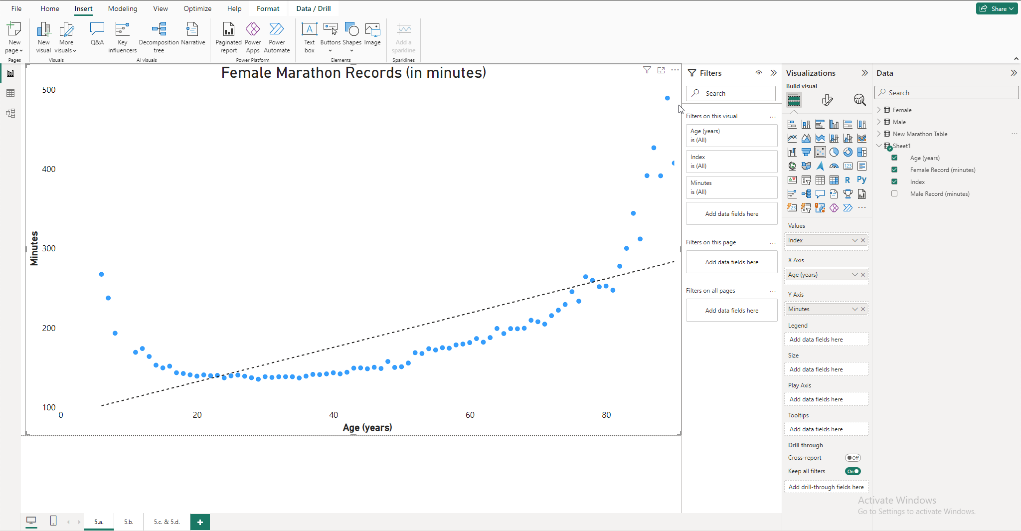
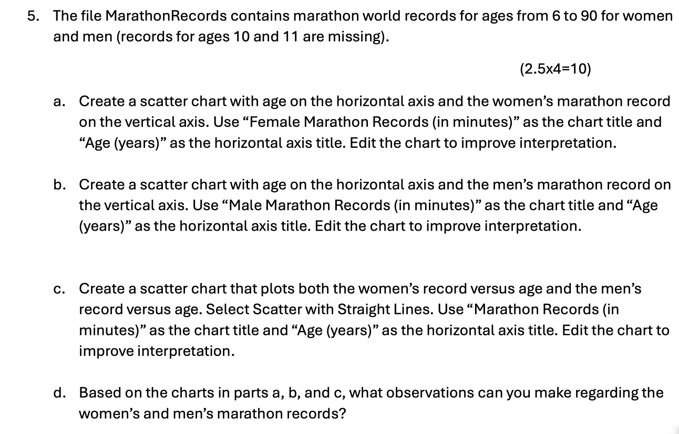

New data table that I created | Answer_5.b

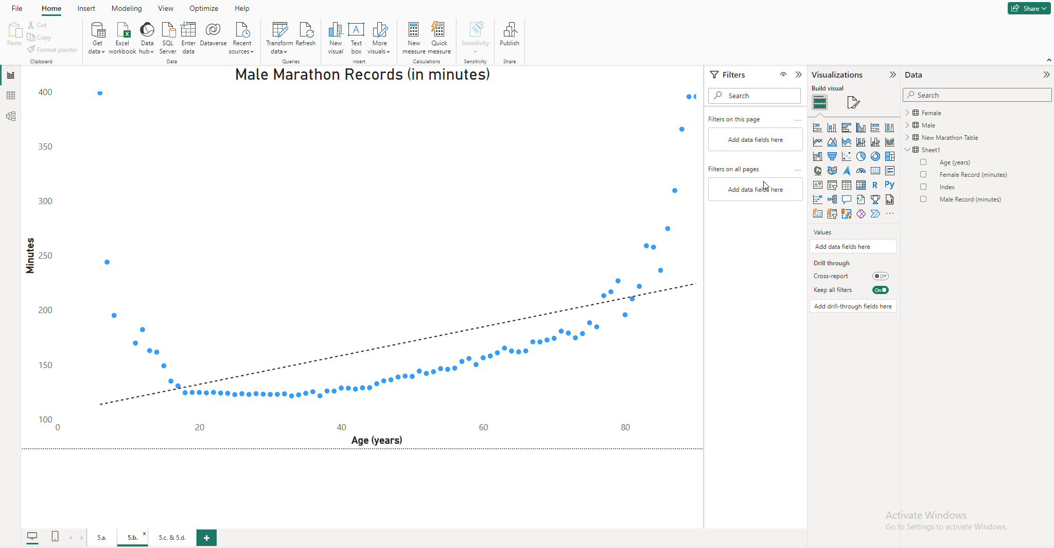


Female data table
 | Answer_5.C. and 5.d.
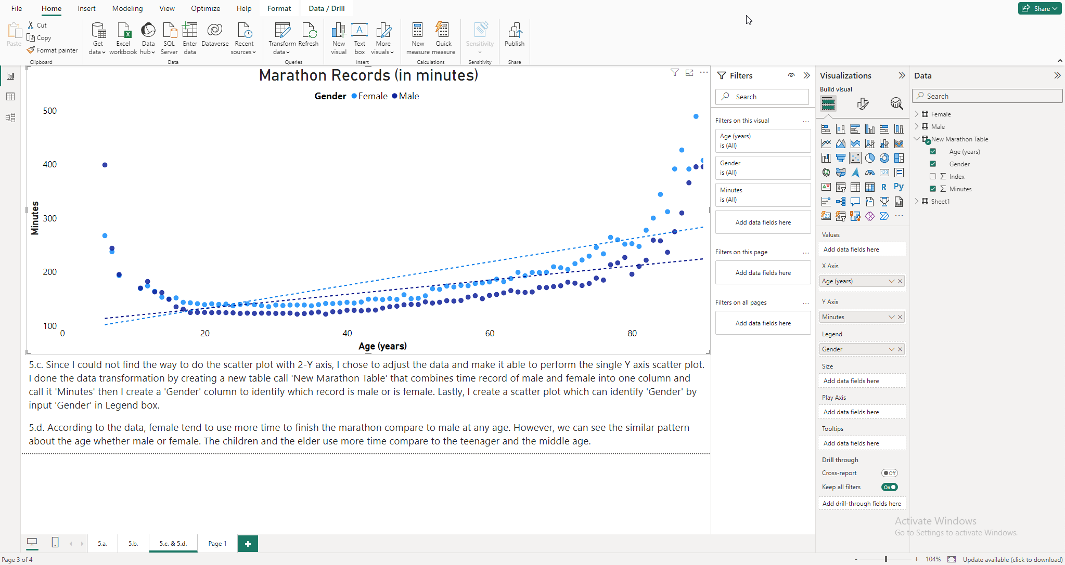

Male data table

